Sheet1
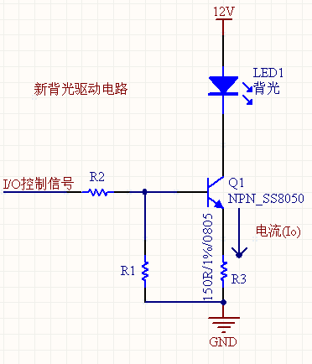
R3/8050 | R2/8050 | R18050 | Io
150R | 180R | 1K | 15mA
150R | 220R | 1K | 14.4mA
150R | 270R | 1K | 13.7mA
150R | 2K | 10K | 14.5mA
150R | 3.9K | 20K | 14.1mA
150R | 3.8K | 39K | 13.7mA
150R | 8.2K | 49K | 13.5mA
150R | 10K | 56K | 12.9mA
150R | 18K | 100K | 11.5mA

